Mirrotic Mirrors
 |  |  |  |  |  |  |  | CBM

Item Picture | Thebalux | Mirrotic nr. | Specifications | Size | Main material | COB led driver power | FOB Shenzhen | Quantity
 |  |  |  |  |  |  |  |  | 包装方式：珍珠棉盒+蜂窝护边 |  | 内箱
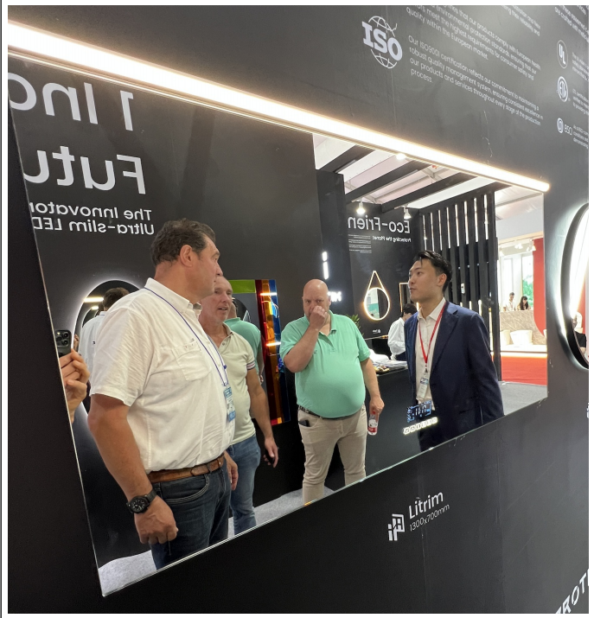 | M22600MZ | Litrim 1015 | 220v, 50/60HZ, COB Lighting Source Snnapy Driver Demister Bluetooth Speaker 6-Touch Switch(No Display) Extra Backlit light at bottom IP44, CE CLASS II | 600X700 (vertical) | 5mm Copper-Free Mirror+ Black Aluminum Profile +Silicon Cover | 20W |  | 10 | 珍珠棉盒760x85x660*1，蜂窝板680x85x20*2 蜂窝板780x85x20*2 ， 纸护角80x50x50x5*4 | 20+25+20+20 | 810x95x720 | 蜂窝板580X700X20*1，蜂窝板600x700x15*2， 蜂窝板640x75x40*2，蜂窝板740x75x40*2
 | M22800MZ |  |  | 800X700 (horizontal) |  | 30W |  | 20 |  |  | 9100x95x820
 | M221000MZ |  |  | 1000X700 (horizontal) |  | 30W |  | 20 |  |  | 1110x95x820
 | M221200MZ |  |  | 1200X700 (horizontal) |  | 30W |  | 20 |  |  | 1310x95x820
 | M221400MZ |  |  | 1400X700 (horizontal) |  | 30W |  | 10 |  |  | 1510x95x820
 | M221600MZ |  |  | 1600X700 (horizontal) |  | 50w |  | 10 |  |  | 1710x95x820
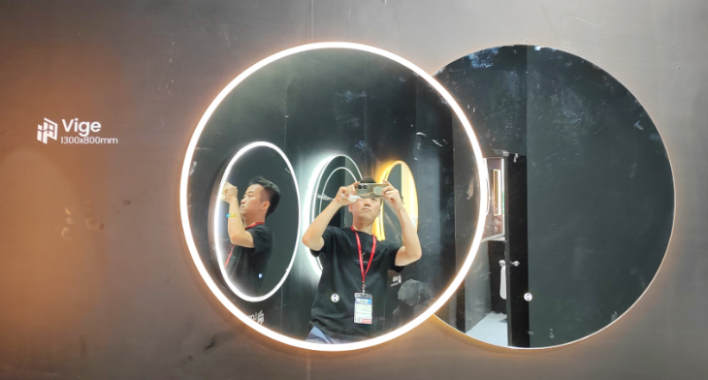 | M081400 | VIGE 4610 | 220v, 50/60HZ, 2700K-6500K, COB Lighting Source Snnapy Driver Sensor Switch only on right mirror Demister IP44, CE CLASS II | About1300X800 (leftφ800+ rightφ1000) | 5mm Copper-Free Mirror+Aluminum Profile +Acrylic | 50w |  | 50 | 珍珠棉盒1060x120x1060,蜂窝板1080x120x20*4 纸护角100x50x50x5*4 | 120 | 纸箱采用外箱打开方式1110x130x1120 | 蜂窝箱1080*120*1080 蜂窝板800x800x20*1 蜂窝板1000x1000x20*1
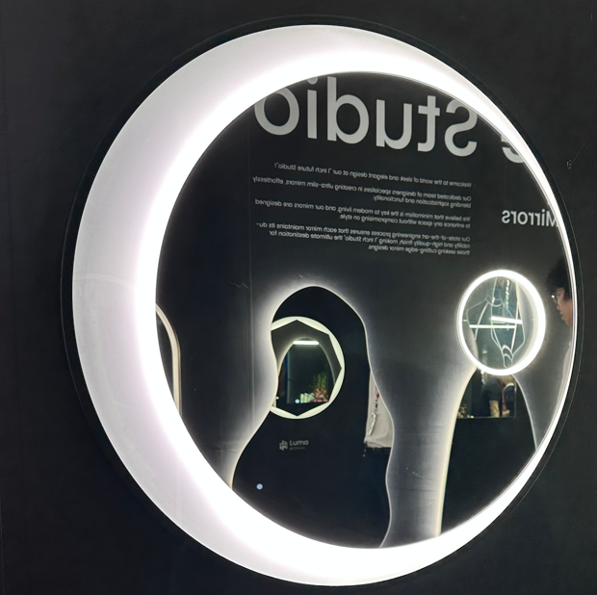 | M07700MZ | Shepel 6601 | 220v, 50/60HZ, 2700K-6500K, COB Lighting Source Snnapy Driver Demister Magnifier Sensor Switch IP44, CE CLASS II | φ700 | 5mm Copper-Free Mirror+ Black Aluminum Frame + Aluminum Profile | 20W |  | 20 |  | 30+20+20 | 810x80x820
 | M07900MZ |  |  | φ900 |  | 20W |  | 20 |  |  | 1010x80x1020
 | M071100MZ |  |  | φ1100 |  | 30W |  | 20 |  |  | 1210x80x1220
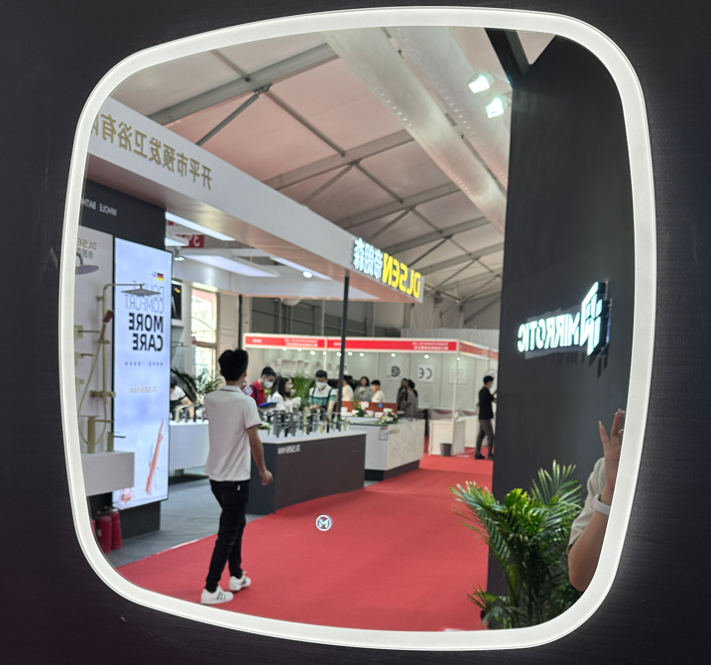 | M09700 | Sidan 4603 | 220v, 50/60HZ, 2700K-6500K, COB Lighting Source Snnapy Driver Demister 3-Touch Switch IP44, CE CLASS II | 700X700 | 5mm Copper-Free Mirror+Aluminum Profile +Acrylic | 20W |  | 40 | 珍珠棉盒760x760*1，蜂窝板780x65x20*4 ， 纸护角65x50x50x5*4 |  | 810x75x820
 | M09900 |  |  | 900X900 |  | 20W |  | 40 |  |  | 1010x75x1020
 | M091100 |  |  | 1100X900 |  | 30W |  | 40 |  |  | 1210x75x1020
 | M091300 |  |  | 1300X900 |  | 30W |  | 30 |  |  | 1410x75x1020
 | M091500 |  |  | 1500X900 |  | 30W |  | 10 |  |  | 1610x75x1020
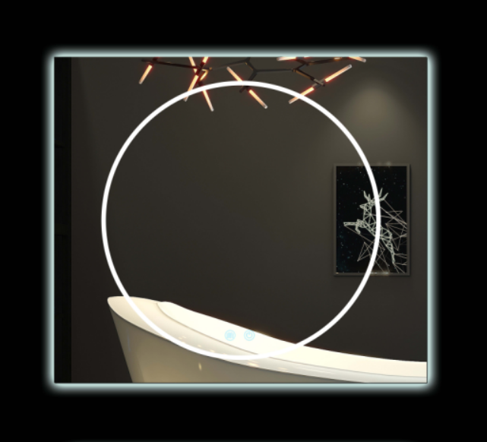 | M11800 | BS-M2312S | 220v, 50/60HZ, 2700K-6500K, COB Lighting Source Snnapy Driver 3-Touch Switch IP44, CE CLASS II | 800x700 R20 Estimate | 5mm Copper-Free Mirror+Aluminum Profile | 30W |  | 10 |  | 25+20+20 | 910x75x820 | Change: R50 estimate into R20
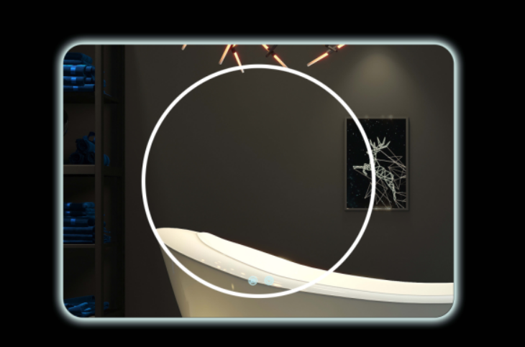 | M111000 | BS-M2313R | 220v, 50/60HZ, 2700K-6500K, COB Lighting Source Snnapy Driver 3-Touch Switch IP44, CE CLASS II | 1000x700 R20 Estimate | 5mm Copper-Free Mirror+Aluminum Profile | 50W |  | 10 |  |  | 1110x75x820 | Change: R50 estimate into R21
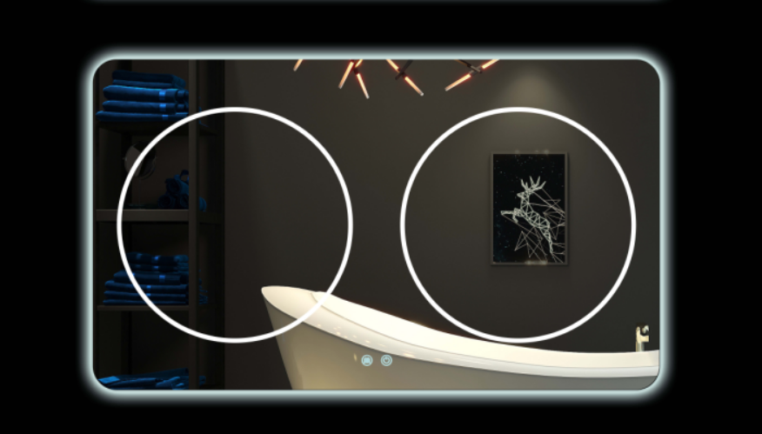 | M111200 | BS-M2314R | 220v, 50/60HZ, 2700K-6500K, COB Lighting Source Snnapy Driver 3-Touch Switch IP44, CE CLASS II | 1200x700 R20 Estimate | 5mm Copper-Free Mirror+Aluminum Profile | 50W |  | 10 |  |  | 1310x75x820 | Change: R50 estimate into R22
 | M111400 | BS-M2315R | 220v, 50/60HZ, 2700K-6500K, COB Lighting Source Snnapy Driver 3-Touch Switch IP44, CE CLASS II | 1400x700 R20 Estimate | 5mm Copper-Free Mirror+Aluminum Profile | 50W |  | 10 |  |  | 1510x75x820 | Change: R50 estimate into R23
 | M111600 | BS-M2316R | 220v, 50/60HZ, 2700K-6500K, COB Lighting Source Snnapy Driver 3-Touch Switch IP44, CE CLASS II | 1600x700 R20 Estimate | 5mm Copper-Free Mirror+Aluminum Profile | 50W |  | 10 |  |  | 1710x75x820 | Change: R50 estimate into R24

 |  |  |  |  |  |  |  | 410

